Briza 22 & 26

Selectiontool |  |  |  |  | Taal/Language/Sprache/Språk/Jazyk |  |  |  | English
Briza 22 & Briza 26 |  |  |  |  | Hydronic mix: |  |  |  | Fresh water |  | 100%
 |  |  |  |  | Device - Ventilator - Utilization: |  |  |  | Briza 22 2-pipe |  | Standard 230V (EU) |  |  | Built-in

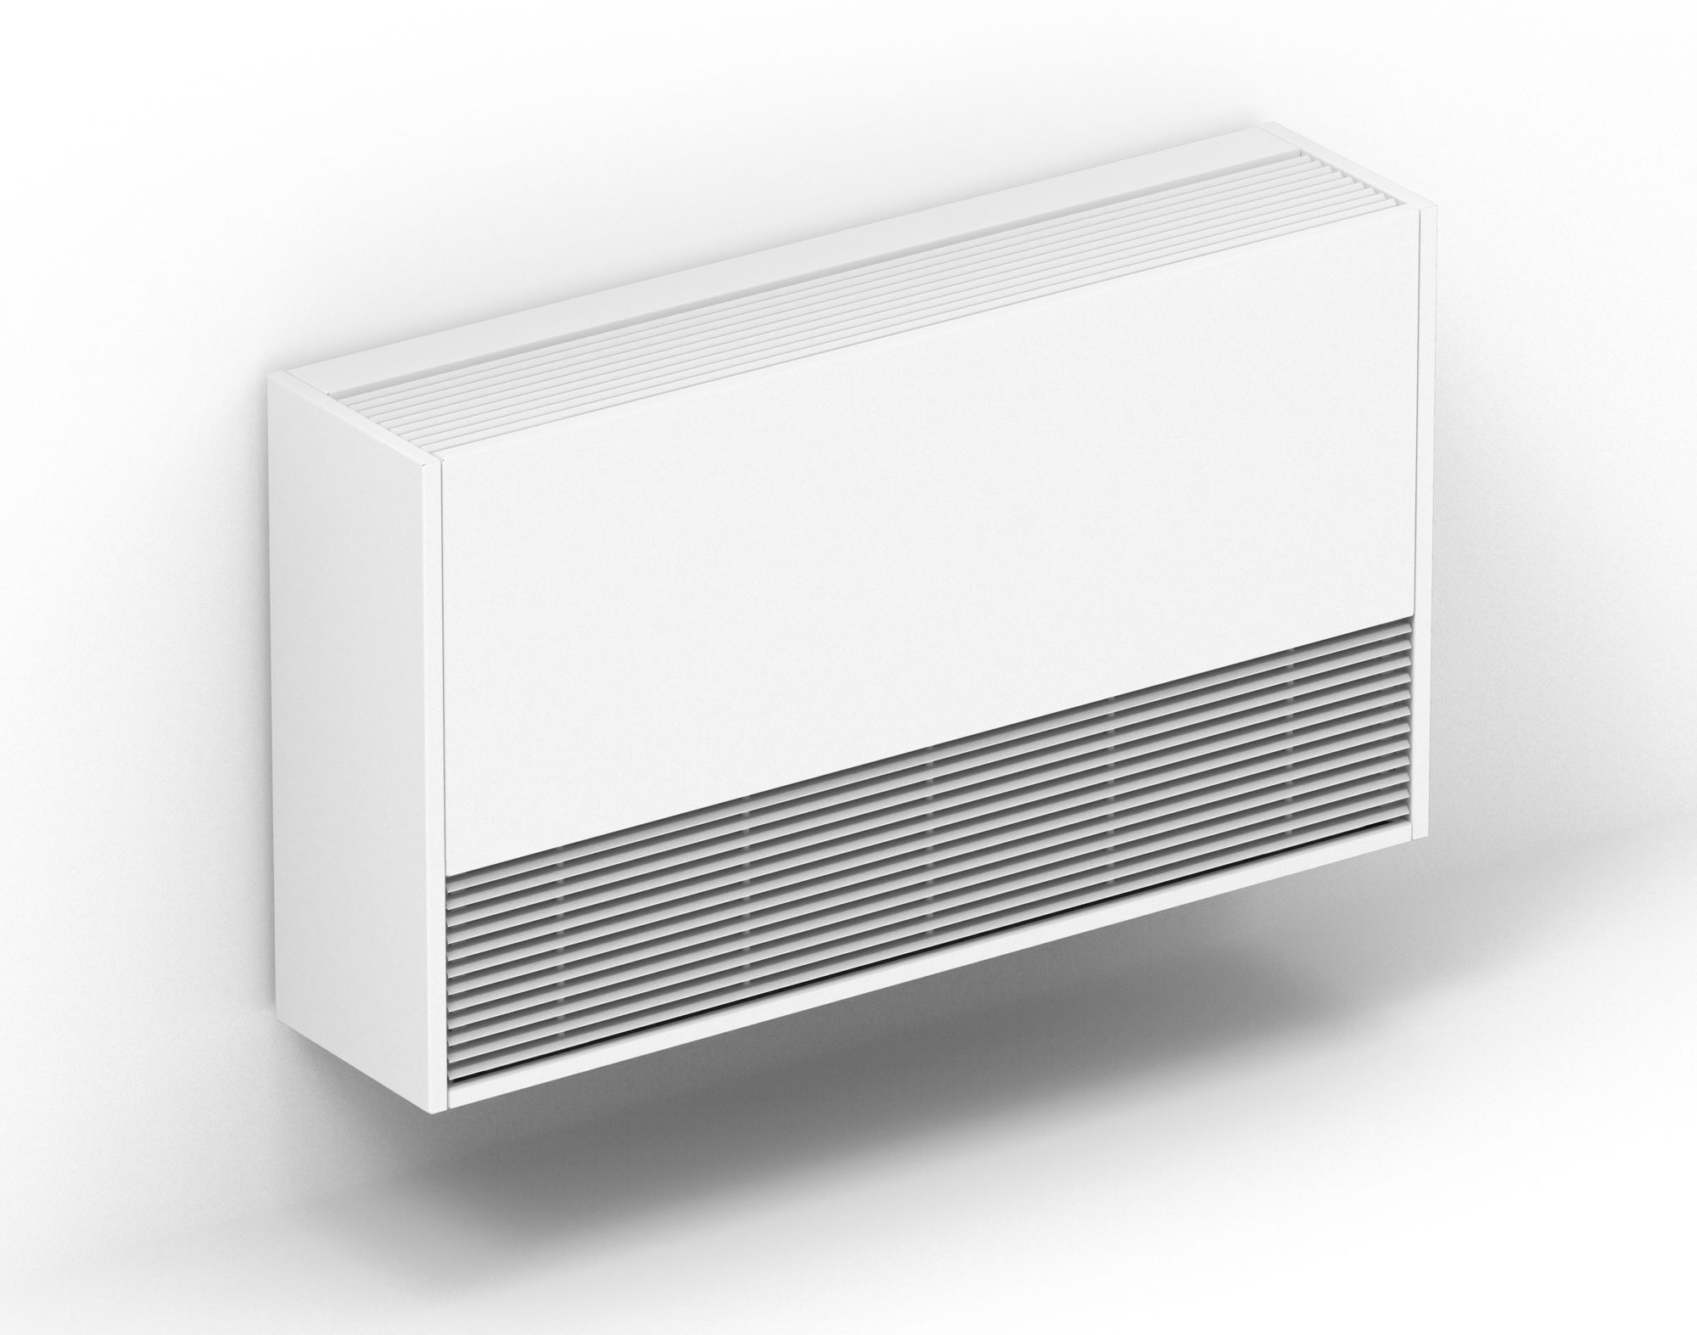
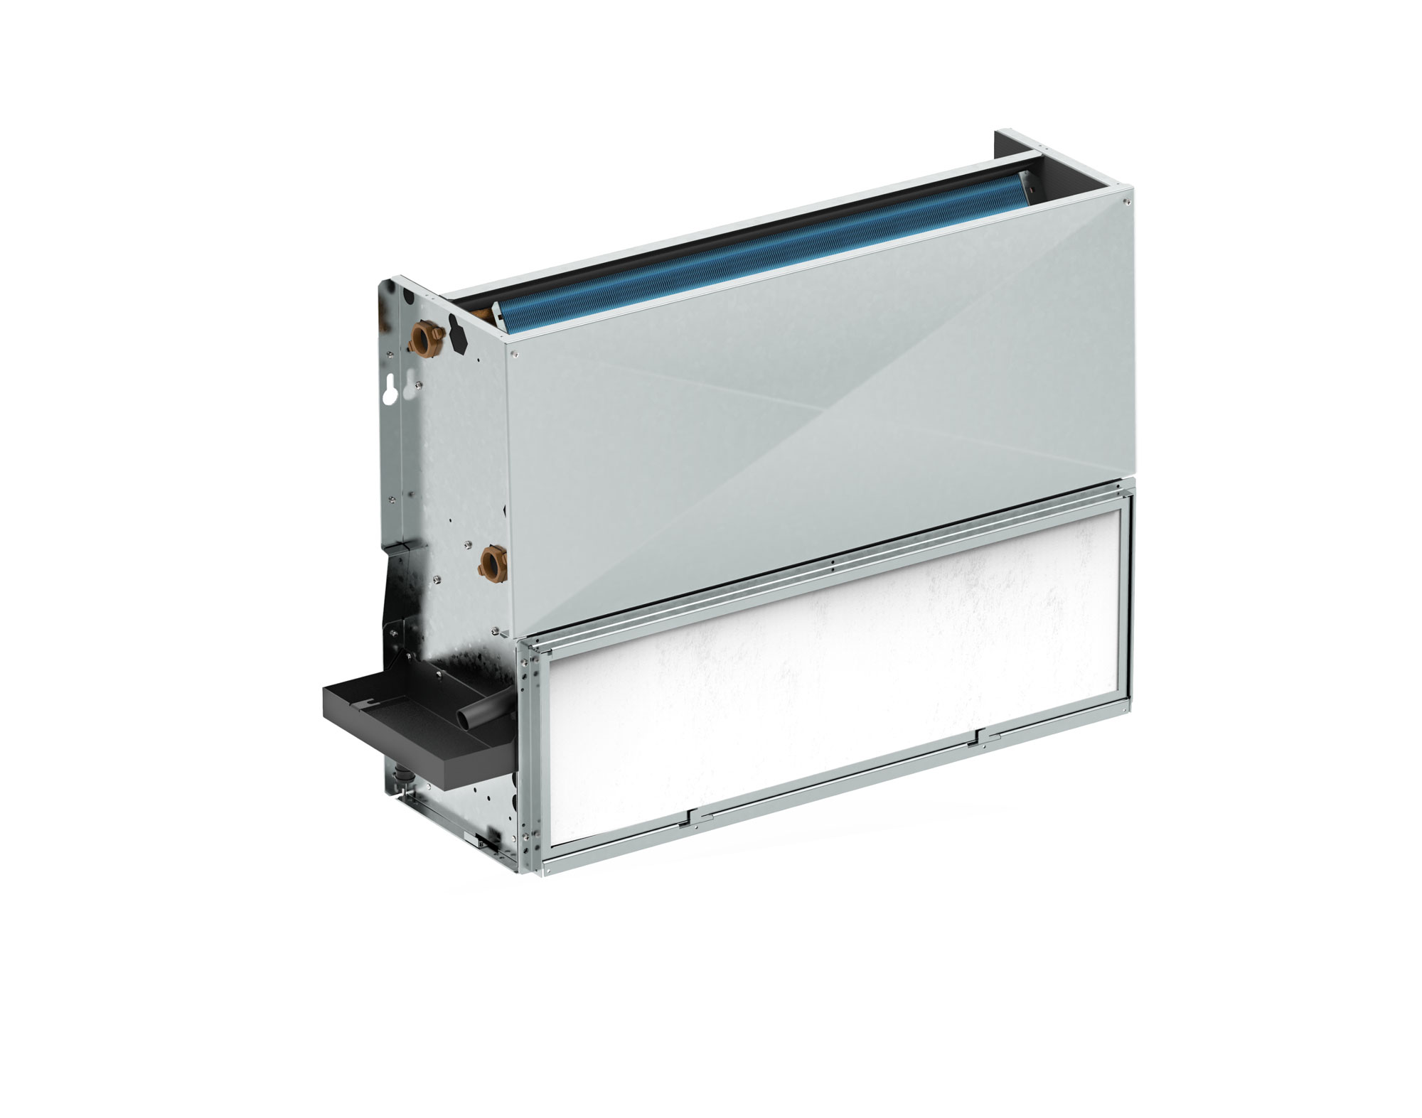
Temperatures
Heating: |  |  |  |  | Cooling:
Supply water |  |  | 65 | °C | Supply water |  |  |  | 16 | °C | Static pressure |  |  | Unit conversion |  | Known variables
Return water |  |  | 55 | °C | Return water |  |  |  | 18 | °C | 0.000 |  | Pa
Entering air (dry bulb) |  |  | 20 | °C | Entering air (dry bulb) |  |  |  | 27 | °C | Altitude
 |  |  |  |  | Entering air (wet bulb) |  |  |  | 19.4 | °C | 0 |  | m
 |  |  |  |  | Relative humidity |  |  |  | 50%

Speed level | Control voltage [V] | Heat output * 65/55/20 [W] | Water flowrate, heating [l/h] | Water side pressure loss [kPa] | Sens. cooling capacity * 16/18/27 [W] | Tot. cooling capacity 16/18/27 [W] | Water flowrate, cooling [l/h] | Water side pressure loss [kPa] | Sound pressure *** [dB(A)] | Sound power ** [dB(A)] | Electrical power [W] | Air flowrate [m³/h] | Face velocity [m/s] | Air exhaust temp. heating [°C] | Air exhaust temp. cooling (dry bulb) [°C] | Air exhaust temp. cooling (wet bulb) [°C] | Rel. humid. cooled air [%] **** | fan rotation frequency [revolutions/minute] | Specific fan power [J/l] | Briza has multiple airflow supply and return air connection options. Visit our website for more information.
Briza 22 (230V) height 54,5 cm, width 22 cm, length 55 cm (Type 02)
20% | 2 | 1758 | 151 | 0.59 | 367 | 367 | 158 | 0.64 | 25.5 | 33.5 | 3.7 | 134 | 0.3 | 58.6 | 18.8 | 16.8 | 82% | 481 | 0.10
40% | 4 | 3119 | 268 | 1.70 | 659 | 659 | 283 | 1.87 | 35.0 | 43.0 | 8.7 | 254 | 0.6 | 56.0 | 19.3 | 16.9 | 80% | 730 | 0.12
60% | 6 | 4071 | 350 | 2.77 | 882 | 882 | 379 | 3.21 | 42.5 | 50.5 | 17.2 | 355 | 0.8 | 53.7 | 19.6 | 17.0 | 78% | 940 | 0.17
80% | 8 | 4971 | 427 | 3.99 | 1075 | 1075 | 462 | 4.61 | 46.5 | 54.5 | 31.1 | 450 | 1.0 | 52.4 | 19.9 | 17.1 | 77% | 1143 | 0.25
100% | 10 | 5491 | 472 | 4.80 | 1169 | 1169 | 503 | 5.39 | 51.0 | 59.0 | 41.1 | 500 | 1.1 | 52.2 | 20.1 | 17.2 | 76% | 1247 | 0.30
Briza 22 (230V) height 54,5 cm, width 22 cm, length 75 cm (Type 03)
20% | 2 | 2414 | 208 | 1.30 | 508 | 508 | 218 | 1.42 | 20.5 | 28.5 | 3.7 | 178 | 0.3 | 59.7 | 18.5 | 16.6 | 83% | 438 | 0.07
40% | 4 | 4256 | 366 | 3.65 | 870 | 870 | 374 | 3.80 | 29.5 | 37.5 | 8.8 | 327 | 0.5 | 58.2 | 19.1 | 16.8 | 81% | 652 | 0.10
50% | 5 | -177 | -15 | #NUM! | 6 | 6 | 3 | 0.00 | 0.0 | 0.0 | 0.0 | 0 | 0.0 | #DIV/0! | #DIV/0! | #DIV/0! | #DIV/0! | 0 | #DIV/0!
60% | 6 | 5635 | 485 | 6.11 | 1146 | 1146 | 493 | 6.30 | 39.0 | 47.0 | 17.7 | 456 | 0.8 | 56.3 | 19.5 | 17.0 | 78% | 833 | 0.14
70% | 7 | -177 | -15 | #NUM! | 6 | 6 | 3 | 0.00 | 0.0 | 0.0 | 0.0 | 0 | 0.0 | #DIV/0! | #DIV/0! | #DIV/0! | #DIV/0! | 0 | #DIV/0!
80% | 8 | 6744 | 580 | 8.48 | 1372 | 1372 | 590 | 8.75 | 45.0 | 53.0 | 31.9 | 579 | 1.0 | 54.2 | 20.0 | 17.1 | 76% | 1003 | 0.20
100% | 10 | 7515 | 646 | 10.33 | 1533 | 1533 | 659 | 10.71 | 49.0 | 57.0 | 46.4 | 681 | 1.1 | 52.4 | 20.3 | 17.2 | 75% | 1119 | 0.25
Briza 22 (230V) height 54,5 cm, width 22 cm, length 95 cm (Type 04)
20% | 2 | 3211 | 276 | 2.56 | 747 | 747 | 321 | 3.37 | 22.0 | 30.0 | 3.9 | 247 | 0.3 | 58.1 | 18.0 | 16.5 | 86% | 417 | 0.06
40% | 4 | 5520 | 475 | 6.91 | 1266 | 1266 | 544 | 8.86 | 29.5 | 37.5 | 9.9 | 413 | 0.5 | 59.2 | 17.9 | 16.4 | 87% | 624 | 0.09
50% | 5 | -829 | -71 | #NUM! | -169 | -169 | -73 | #NUM! | 0.0 | 0.0 | 0.0 | 0 | 0.0 | #DIV/0! | #DIV/0! | #DIV/0! | #DIV/0! | 0 | #DIV/0!
60% | 6 | 7360 | 633 | 11.69 | 1675 | 1675 | 720 | 14.80 | 37.0 | 45.0 | 20.6 | 565 | 0.8 | 58.2 | 18.2 | 16.5 | 85% | 798 | 0.13
70% | 7 | -829 | -71 | #NUM! | -169 | -169 | -73 | #NUM! | 0.0 | 0.0 | 0.0 | 0 | 0.0 | #DIV/0! | #DIV/0! | #DIV/0! | #DIV/0! | 0 | #DIV/0!
80% | 8 | 8837 | 760 | 16.34 | 2000 | 2000 | 860 | 20.49 | 42.5 | 50.5 | 35.9 | 707 | 0.9 | 56.7 | 18.6 | 16.7 | 83% | 947 | 0.18
100% | 10 | 9758 | 839 | 19.58 | 2200 | 2200 | 946 | 24.39 | 46.5 | 54.5 | 51.2 | 809 | 1.1 | 55.4 | 18.9 | 16.8 | 81% | 1049 | 0.23
Briza 22 (230V) height 54,5 cm, width 22 cm, length 125 cm (Type 06)
20% | 2 | 4291 | 369 | 1.55 | 787 | 787 | 339 | 1.32 | 28.0 | 36.0 | 7.2 | 334 | 0.3 | 57.7 | 20.0 | 17.1 | 76% | 433 | 0.08
40% | 4 | 7376 | 634 | 4.20 | 1367 | 1367 | 588 | 3.66 | 36.0 | 44.0 | 17.5 | 614 | 0.6 | 55.2 | 20.4 | 17.3 | 74% | 646 | 0.10
50% | 5 | 150 | 13 | 0.00 | 61 | 61 | 26 | 0.01 | 0.0 | 0.0 | 0.0 | 0 | 0.0 | #DIV/0! | #DIV/0! | #DIV/0! | #DIV/0! | 0 | #DIV/0!
60% | 6 | 9595 | 825 | 6.84 | 1812 | 1812 | 779 | 6.15 | 43.0 | 51.0 | 35.7 | 840 | 0.8 | 53.5 | 20.6 | 17.3 | 73% | 828 | 0.15
70% | 7 | 150 | 13 | 0.00 | 61 | 61 | 26 | 0.01 | 0.0 | 0.0 | 0.0 | 0 | 0.0 | #DIV/0! | #DIV/0! | #DIV/0! | #DIV/0! | 0 | #DIV/0!
80% | 8 | 11634 | 1000 | 9.77 | 2251 | 2251 | 968 | 9.20 | 49.0 | 57.0 | 62.8 | 1072 | 1.1 | 51.9 | 20.8 | 17.4 | 73% | 990 | 0.21
100% | 10 | 12856 | 1105 | 11.75 | 2533 | 2533 | 1089 | 11.43 | 52.5 | 60.5 | 88.5 | 1226 | 1.2 | 50.8 | 20.9 | 17.4 | 72% | 1090 | 0.26
Briza 22 (230V) height 54,5 cm, width 22 cm, length 155 cm (Type 08)
20% | 2 | 4329 | 372 | 1.27 | 851 | 851 | 366 | 1.22 | 25.0 | 33.0 | 7.2 | 392 | 0.3 | 52.4 | 20.6 | 17.3 | 74% | 431 | 0.07
40% | 4 | 7707 | 663 | 4.62 | 1533 | 1533 | 659 | 4.56 | 34.0 | 42.0 | 17.8 | 706 | 0.6 | 52.0 | 20.6 | 17.3 | 74% | 642 | 0.09
50% | 5 | -78 | -7 | #NUM! | -33 | -33 | -14 | #NUM! | 0.0 | 0.0 | 0.0 | 0 | 0.0 | #DIV/0! | #DIV/0! | #DIV/0! | #DIV/0! | 0 | #DIV/0!
60% | 6 | 10638 | 915 | 9.48 | 2127 | 2127 | 914 | 9.46 | 41.0 | 49.0 | 37.1 | 990 | 0.8 | 51.5 | 20.6 | 17.3 | 73% | 835 | 0.13
70% | 7 | -78 | -7 | #NUM! | -33 | -33 | -14 | #NUM! | 0.0 | 0.0 | 0.0 | 0 | 0.0 | #DIV/0! | #DIV/0! | #DIV/0! | #DIV/0! | 0 | #DIV/0!
80% | 8 | 13250 | 1139 | 15.46 | 2660 | 2660 | 1143 | 15.58 | 47.0 | 55.0 | 65.8 | 1252 | 1.0 | 51.1 | 20.7 | 17.4 | 73% | 999 | 0.19
100% | 10 | 15025 | 1292 | 20.49 | 3023 | 3023 | 1300 | 20.77 | 51.0 | 59.0 | 95.0 | 1436 | 1.2 | 50.7 | 20.7 | 17.4 | 73% | 1126 | 0.24
Briza 22 (230V) height 54,5 cm, width 22 cm, length 190 cm (Type 10)
20% | 2 | 7002 | 602 | 3.89 | 1450 | 1450 | 623 | 4.14 | 31.5 | 39.5 | 11.1 | 549 | 0.4 | 57.4 | 19.1 | 16.9 | 80% | 430 | 0.07
40% | 4 | 12039 | 1035 | 10.42 | 2486 | 2486 | 1069 | 11.06 | 39.0 | 47.0 | 25.9 | 972 | 0.6 | 56.3 | 19.4 | 16.9 | 79% | 695 | 0.10
50% | 5 | 5 | 0 | 0.00 | -5 | -5 | -2 | #NUM! | 0.0 | 0.0 | 0.0 | 0 | 0.0 | #DIV/0! | #DIV/0! | #DIV/0! | #DIV/0! | 0 | #DIV/0!
60% | 6 | 16233 | 1396 | 17.97 | 3341 | 3341 | 1436 | 18.92 | 46.5 | 54.5 | 52.8 | 1347 | 0.9 | 55.4 | 19.6 | 17.0 | 78% | 836 | 0.14
70% | 7 | 5 | 0 | 0.00 | -5 | -5 | -2 | #NUM! | 0.0 | 0.0 | 0.0 | 0 | 0.0 | #DIV/0! | #DIV/0! | #DIV/0! | #DIV/0! | 0 | #DIV/0!
80% | 8 | 19968 | 1717 | 26.20 | 4094 | 4094 | 1760 | 27.41 | 52.0 | 60.0 | 93.0 | 1700 | 1.1 | 54.5 | 19.8 | 17.1 | 77% | 964 | 0.20
100% | 10 | 22200 | 1909 | 31.78 | 4540 | 4540 | 1952 | 33.10 | 55.0 | 63.0 | 131.5 | 1922 | 1.3 | 53.9 | 20.0 | 17.1 | 76% | 1100 | 0.25
*Values according to EN 1397 equipped with a G2 filter. |  |  |  |  |  |  |  |  |  |  |  |  |  |  |  |  |  |  | v2023-01-31
**Sound power according to ISO 3741:2010
***Sound pressure with an assumed room damping of 8dB(A)
****Calculated RH directly after the heat exchanger, assumed with a location-independent surface temperature.

